Instructions
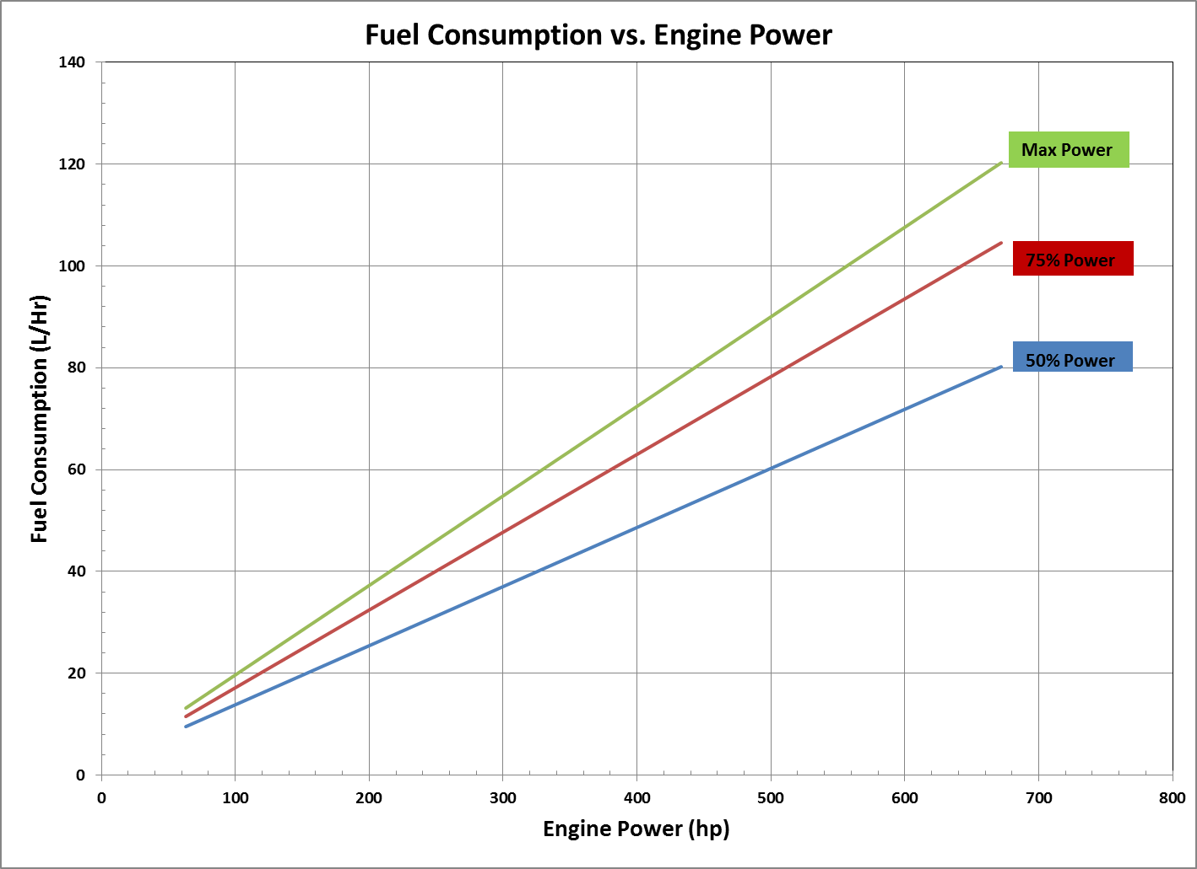
Important Instructions and Notes
Calculator Intended Use
This calculator has been established to provide approximate costs for renting equipment or obtaining custom-farming operations from another farmer.
This calculator is not intended for establishing rates for individuals or companies that rent equipment or contract custom-farming operations as a business.

This calculator is applicable for two different situations. One is to suggest an equitable price for both parties when one farmer either rents a piece of equipment from another farmer or hires the other to do
a farming operation (seeding, spraying, harvesting, etc.). In this situation, the time of rented operation is usually relatively small in proportion to the use by the owner.
The other use is when farmers share equipment and need to establish the value of the machinery and/or farming operation that is being contributed to each farm.

Steps for Calculator Use
This calculator allows users to calculate the costs associated with the combination of up to three pieces of farm equipment.
If the piece of equipment in question is not listed, the user can still determine costs associated with that piece of equipment.
To obtain information for any unlisted equipment, the user would follow the outlined procedure below for selecting any unrelated equipment, and then just change the values in BLUE to match their equipment.
Users should review the input values at the top of the page before proceeding to steps #1 to #6.
Users should press the Reset button if any changes have been made to the BLUE input values in Steps #4 to #6 as important formulas may be lost and need to be reset before selecting different equipment.

Procedure
1. Prior to calculator use, ensure that macros have been enabled. Similarly, when saving this workbook save it as a macro-enabled file.
2. Select the equipment category (#1) from the drop-down list(s) provided.
3. Select the type of farm equipment (#2) from the drop-down list(s) provided.
4. Select the appropriate size of the farm equipment (#3) from the drop-down list(s) provided. After this selection is made, the spreadsheet will populate itself with default values.
5. If the default equipment cost values do not agree with your known values for the farm equipment (#4), enter in the known BLUE input values.
6. If the default equipment fuel useage litres per hour or Repair and Maintenance rate % do not agree with your known values for the farm equipment (#5), enter the known BLUE input values.
7. If the speed, width, or field efficiency of the implement is different from the default values, enter the known BLUE input values to calculate a new work rate.
If the calculated work rate from the default or known input values is not accurate, enter a known work rate.
8. Scroll down the page to see the total costs of each implement as well as the combined costs of implements 1, 2, and 3.

Notes on calculation procedure
If the user is uncertain of a tractor horsepower requirement for drawn or PTO equipment, if applicable, it will be shown in the "Select equipment size" drop down list.
If there are two or more different work rates, the calculator will calculate the largest work rate for implements 1, 2, and 3.

Caution
Nearly every situation has particular circumstances and conditions that are unique. Individuals should recognize these circumstances and make appropriate adjustments in the "User-Defined" BLUE input values
of this spreadsheet to obtain better cost estimates for their particular situation.

Tractor Category Footnotes
Two-wheel drive tractors - based on PTO power rating
Front wheel assist tractors - based on PTO power rating
Four-wheel drive tractors - based on engine power rating
Tracked tractors - based on engine power rating
To convert net engine power to PTO, multiply by 0.88

Harvesting Grain Category Footnotes
Rotary combines - annual hours of usage is based on separator usage
Self-propelled swathers - fuel efficiency based on 126 hp (18-22' swather), 126 hp (25' swather), 190 hp (30' swather), and 226 hp (35'+ swather)

Harvesting Hay Category Footnotes
Self-propelled mower/conditioners - fuel efficiency is based on 226 hp (16-19' disc), 400 hp (30' disc), and 190 hp (14-16' sickle)
Balers - for the cost of twine add $0.27/bale for 4' diameter, $0.40/bale for 5' diameter and $0.76/bale for 6' diameter. Add $0.78/bale for large square and $0.05/bale for small square. For the cost of mesh add $1.25/bale.
Bale mover - fuel efficiency based on 173 hp

Seeding Category Footnotes
Work rates may require adjustment for heavy straw conditions or high fertilizer rates
All air drills have been priced with an appropriately sized air tank.

Soil Preparation Category Footnotes
No additional notes

Sprayers Category Footnotes
Cost of hauling water to the field is not included. The cost of hauling water can range from $0.26/acre to $1.74/acre depending on the rate of water application.
These rates are not intended to be compared to commercial custom spraying rates.

Fuel Efficiency Estimate
In order to obtain an estimate for fuel consumption based on engine power, the following chart can be used:

Calculator
 |  | 2022-23 Farm Machinery Custom and Rental Rate Guide

 | Please note that in order for the appropriate units of measurement to show correctly, choose implement first, then tractor. For example, choose harvesting hay baler small
 | square as implement 1, then two-wheel drive tractor as implement 2 to ensure the rental rate will be shown as per bale.
 | Machinery Information

 |  | Fuel Price (per litre) | $1.27 | Machinery Financed |  | 75% |  |  | v1.0
 |  | Labour rate (per hour) | $27.00 | Interest Rate |  | 5.00%
 |  | Field Efficiency Rate | 80% | Opportunity Cost Rate |  | 1.50% | *** Enter any changes to BLUE values only ***
 |  | Rental & Custom Margin | 15% | Loan Payback Period (years) |  | 7
 |  | Insurance and Housing | 1.00% | Opportunity Cost Period (years) |  | 7

 |  |  |  | Implement #1 |  | Implement #2 |  | Implement #3
 | 1. Select category: |  |  | (Select Category) |  | (Select Category) |  | (Select Category)

 | 2. Select farm equipment:

 | 3. Select equipment size:

Reset #1
Reset #2
Reset #3

 | 4. Purchasing Information
 | Equipment value |  |  | $0 |  | $0 |  | $0
 | Annual hours of usage |  |  | 0 | hours | 0 | hours | 0 | hours
 | Optimal life for equipment |  |  | 0 | years | 0 | years | 0 | years
 | Depreciation over optimal life |  |  | 0.00% |  | 0.00% |  | 0.00%
 | Retained value at end of optimal life |  |  | $0 |  | $0 |  | $0

 | 5. Other
 | Fuel used per hour |  |  | 0 | Litres | 0 | Litres | 0 | Litres
 | Annual repair and maintenance (R&M) rate |  |  | 0.00% |  | 0.00% |  | 0.00%
 | Annual R&M cost |  |  | $0 |  | $0 |  | $0

 | 6. Work Rate Information
 | Speed |  |  | 0.0 | mph | 0.0 | mph | 0.0 | mph
 | Implement width |  |  | 0.0 | feet | 0.0 | feet | 0.0 | feet
 | Field efficiency |  |  | 0% |  | 0% |  | 0%
 | Work Rate |  |  | n/a |  | n/a |  | n/a

 | Costs of Individual Implements
 | Rental Rate Costs |  |  | Implement #1 |  | Implement #2 |  | Implement #3
 | Ownership (Depreciation) |  |  | $0.00 | /hr | $0.00 | /hr | $0.00 | /hr
 | Ownership (Investment) |  |  | $0.00 | /hr | $0.00 | /hr | $0.00 | /hr
 | Ownership (Insurance and Housing) |  |  | $0.00 | /hr | $0.00 | /hr | $0.00 | /hr
 | Repair and maintenance |  |  | $0.00 | /hr | $0.00 | /hr | $0.00 | /hr
 | Margin on ownership and R&M |  |  | $0.00 | /hr | $0.00 | /hr | $0.00 | /hr
 | Total hourly rental rate |  |  | $0.00 | /hr | $0.00 | /hr | $0.00 | /hr
 | Total rental rate

 | Custom Rate Costs
 | Fuel |  |  | $0.00 | /hr | $0.00 | /hr | $0.00 | /hr
 | Labour |  |  | $0.00 | /hr | $0.00 | /hr | $0.00 | /hr
 | Margin on fuel and labour |  |  | $0.00 | /hr | $0.00 | /hr | $0.00 | /hr
 | Total hourly custom rate |  |  | $0.00 | /hr | $0.00 | /hr | $0.00 | /hr
 | Total custom rate

 | Total Cost of All Implements (Implement #1 + #2 + #3)
 | Total Rental Rate Costs
 | Total ownership |  |  | $0.00 | /hr
 | Total repair and maintenance |  |  | $0.00 | /hr
 | Total margin on ownership and R&M |  |  | $0.00 | /hr
 | Total hourly rental rate |  |  | $0.00 | /hr
 | Total rental rate

 | Total Custom Rate Costs
 | Total fuel |  |  | $0.00 | /hr
 | Total Labour |  |  | $0.00 | /hr
 | Total margin on fuel and labour |  |  | $0.00 | /hr
 | Total hourly custom rate |  |  | $0.00 | /hr
 | Total custom rate

Manitoba Agriculture and Resource Development Farm Management
Created by |  |  |  |  |  |  |  |  |  | January, 2022

